Sheet1
Topic 20 Default Views Layout master layout located on _ViewStart.Cshtml
Topic 21: Dependecy injection Dependent classes injected - Global class can used globally create DI Container
Topic 22 Go easy on Yourself
Section 2
topic 23 Creation of model
topic 24 Data annotation declaring key or primary key [Required] [key]
topic 25 Connection String SQL server for setting up, can set on appsetting.json for connection string Example: "ConnectionString":{ "DefaultConnection": "Server:.Database=dbname;Trusted_Connection=True;TrustServerCertification=True" }
topic 26: Nuget Packages for Entity Framework Core Adding Packing from Nuget EntityFrameWorkCore & tool and check the include prerelease and also EntityFrameWorkCore.sqlserver packages note make sure same version
topic 27: Setup ApplicationDbContext add new folder in main add new class for ApplicationDbContext.cs settings up connection string and DBContext from added class, the from Program.cs modify code and added the created Connectionstring builder.Services.AddDbCon
topic 28: Create Database -via console Command using Command console: update-database
topic 29: create table category update ApplicationDBContext for Dbset public dbset<Category> categories {get;set;} type to console command: add-migration AddCategoryTableToDb take note: make sure put Id name on the class
topic 30: add category controller
topic 31: Add Category Link in Header asp-controller and asp-action
topic 32: Seed Category table Command: add-migration SeedCategoryTable
topic 33: Get All Category private readonly ApplicationDbContext _db; public CategoryController(ApplicationDbContext db) { _db = db; } List<Category> categories = _db.Categories.ToList();
topic 34: hot reload
topic 35:Display all Category Model @model List<Category> @foreach (var obj in Model.OrderBy(Data =>Data.DisplayOrder))
Topic 36: Bootstrap Watch
Topic 37: Design Category List Page
Topic38 Create Caterory UI
topic 39: input tag helpers
topic 40: Create Category
topic 41: Server Side Validation - Model validation
topic 42: Custom Validation - controller validation
topic 43: ASP Validation - view (asp-summary) and controller (conditional program)
topic 44: Client Side Validation - view validation using javascript plug.in @section Scripts{ @{ <partial name="_ValidationScriptsPartial"></partial> } }
topic 45: Edit and Delete Category - UI Only
topic 46: Get Category Details to Edit
topic 47: update Category
topic 48: update action controller
topic 49: Get and Post Action for Category
topic 50: Delete Category Action
topic: 51 TempData
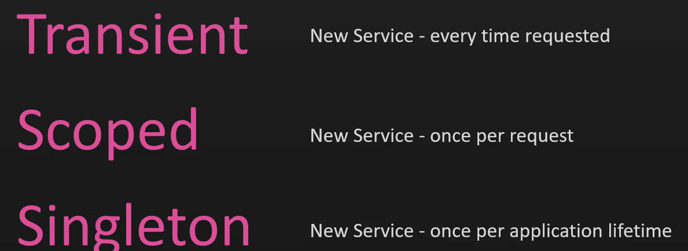
topic 52: Partial View
topic 53: toast notification
Secion 3: Razor
topic 54: Create Razor Project
topic 55: Dif in Razor Project
topic 56: set up Entity Framework
topic 57: Create First Page Razor
topic 58: Display Category list
topic 59: Create Category UI
topic 60 Category Post Handler
topic 61: Edit and Delete
topic 62: Toast and Partial View

Section 4 : N-tier Architecture
topic 63: Create More Project
topic 64: Modify Styling Refresh
topic 65
topic 66: modify UI of Category
topic 67 Ntier Architecture Create Library for the Models, Utility and DataAccess Project web (Models)-> Models library Project Web (Data, Migration) -> DataAccess Add Nugets library for the different project library update all errors encouter
topic 68 How to reset database
topic 69: Bonus - Dependency injection service lifetimes Transient - simplest and cheapest, no need to reuse, 1. Scope - depends on http request and same request reuse (1 request in 10 page), 3. Singleton - create service

section 5 : Repository Pattern | 0.34403669725
Topic 70: Repository Interface Creating Interface for crud function instende of normal Application DB context
Topic 71: Implementation of Repository Interface Creating a new class that inherit the intance of repository interface
Topic 72: Implementation in Category
topic 73: implement Category Repository
Topic 74: Replace DBContext with Catergory Repository
Topic 75: How easy it is to move to a different Database
Topic 76: Renaming Project And solving Issues
Topic 77: Unit of Work Implementation Static Repository for Multiple Repository
Topic 78: Unit of Work Action
Topic 79: Areas in .Net Creation of Area For Admin and Customer, for Separation of View And Controller
Topic 80 Dropdown in Navbar

Section 6: Product Crud
topic 81: Create Product Model
topic 82: Seed Product and Assignment 1
topic 83: Assignment 1 Solution - Product Repository and Uniofwork
topic 84: Assgnment 2 - Product Crud operations
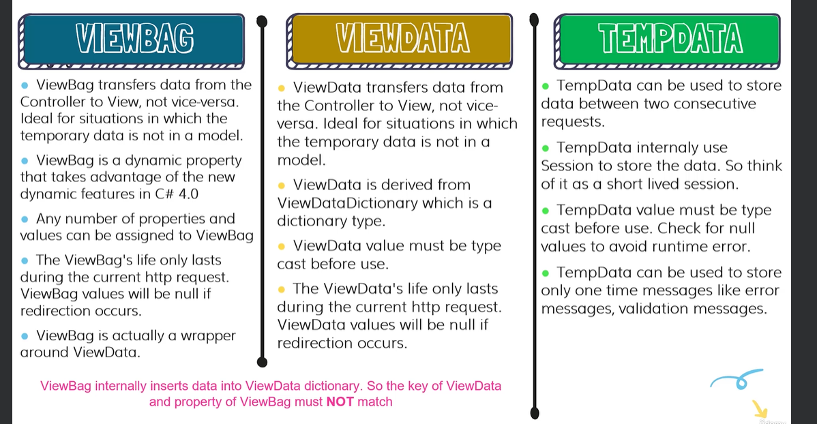
topic 85: Assignment 2 Solution - Product Crud Operations
topic 86: Add Foreign Key in EF Core add foreignKey in data annotation
topic 87: Add Image Url Column
topic 88: Projects in EF Core IEnumerable<SelectListItem> CategoryList = _unitofwork.Category. GetAll().Select(u => new SelectListItem { Text = u.Name, Value = u.Id.ToString() });
Topic 89: Viewbag in Action Data Temporary from Controller to view Not contain in model
Topic 90: ViewData in Action Controller to view
topic 91: Depreciated Nuget Package
topic 92 View Models In Action (Strongly Typed Views)
topic 93: File Upload Input
topic 94: Combine Create, and Edit Pages
topic 95: Rich Text Editor
topic 96: Create Product
topic 97: Display Image on update
topic 98: Handle Image on update
topic 99: Update Product Custom Code
topic 100: Loading Navigation Properties
topic 101 DataTables API
topic 102: Load DataTables
topic 103: Datatable Colum count
topic 104: Edit Product Link in Datatable
topic 105: Delete Product
topic 106: Sweet Alerts

Section 7: Home and Details Page
topic 107: Home Page
topic 108: Details Action Method
topic 109: Details UI

